Definitions and Explanation (2)
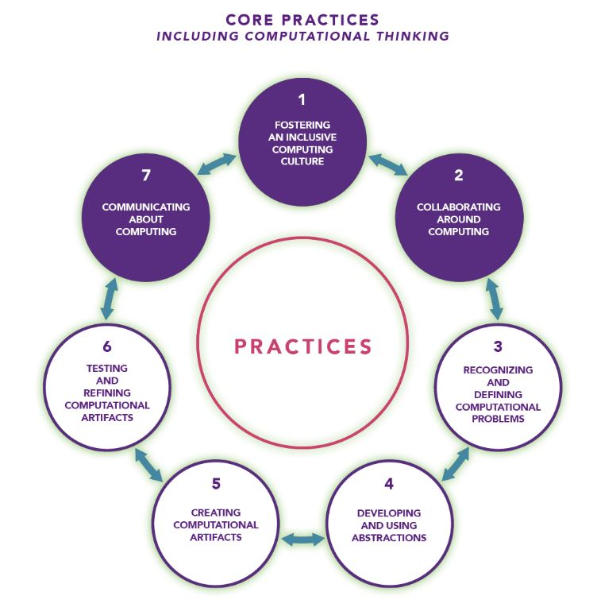
Concept + | Abreviation within Concepts

Subconcept
Computing Systems Devices | CS
Computing Systems Hardware & Software | CS
Computing Systems Troubleshooting | CS
Network & The Internet Network Communication & Organization | NI
Network & The Internet Cybersecurity | NI
Data & Analysis Storage | DA
Data & Analysis Collection, Visualization, & Transformation | DA
Data & Analysis Inference & Models | DA
Algorithms & Programming Algorithms | AP
Algorithms & Programming Variables | AP
Algorithms & Programming Control | AP
Algorithms & Programming Modularity | AP
Algorithms & Programming Program Development | AP
Impacts of Computing Culture | IC
Impacts of Computing Social Interactions | IC
Impacts of Computing Safety, Law, & Ethics | IC

